Sheet1
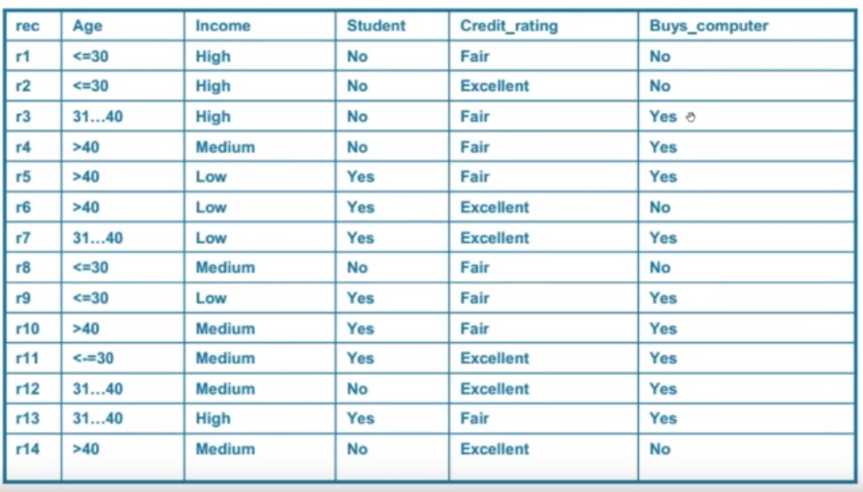
 |  | Buys Computer
 |  | Yes | No
Age | <=30 | "2/9" | "3/5" |  | "2+1/9+3" | "3+1/5+3"
 | 31..40 | "4/9" | "0/5" |  | "4+1/9+3" | "0+1/5+3"
 | >40 | "3/9" | "2/5" |  | "3+1/9+3" | "2+1/5+3"

Income | High | "2/9" | "2/5"
 | Medium | "4/9" | "2/5"
 | Low | "3/9" | "1/5"

Student | Yes | "6/9" | "1/5"
 | No | "3/9" | "4/5"

Credit-rating | Excellent | "3/9" | "3/5"
 | Fair | "6/9" | "2/5"
 |  |  |  |  |  |  | 31..40 | High | No | Fair | Yes

 |  | P(yes)= | 0.013227513228 | 0.69832402235
 |  | P(No)= | 0.0057142857143 | 0.30167597765

